Moving avg Forecast
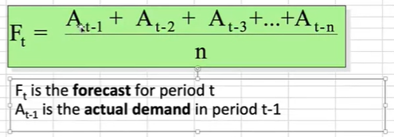
Month | Demand | 3-month moving average | 6-month moving average
1 | 650
2 | 678
3 | 720
4 | 785 | 682.66666667
5 | 859 | 727.66666667
6 | 920 | 788
7 | 850 | 854.66666667 | 768.66666667
8 | 758 | 876.33333333 | 802
9 | 892 | 842.66666667 | 815.33333333
10 | 920 | 833.33333333 | 844
11 | 789 | 856.66666667 | 866.5
12 | 844 | 867 | 854.83333333

